Results
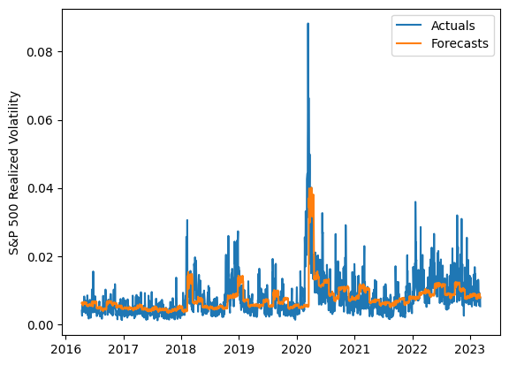
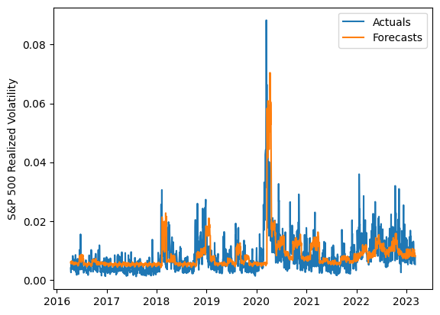
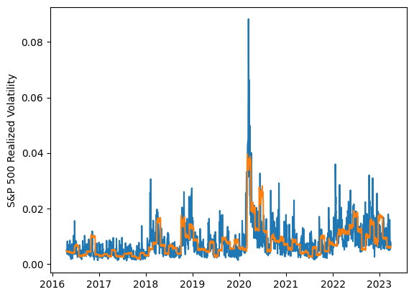
 | LSTM |  |  | TCN |  |  | NBEATSx |  |  |  |  | LSTM |  |  | TCN |  |  | NBEATSx
 | Accuracy | RMSE | Qlike | Accuracy | RMSE | Qlike | Accuracy | RMSE | Qlike |  |  | Accuracy | RMSE | Qlike | Accuracy | RMSE | Qlike | Accuracy | RMSE | Qlike
Trial 1 | 55.02% | 0.33% | 14.49% | 27.95% | 0.45% | 26.36% | 51.61% | 0.34% | 17.19% |  | Mean | 52.51% | 0.336% | 0.154 | 45.46% | 0.373% | 0.186 | 51.54% | 0.339% | 0.172
Trial 2 | 53.17% | 0.33% | 15.01% | 50.74% | 0.35% | 16.51% | 51.53% | 0.34% | 17.40% |  | Standard Deviation | 3.81% | 0.008% | 0.013 | 5.93% | 0.026% | 0.025 | 0.42% | 0.002% | 0.002
Trial 3 | 46.66% | 0.35% | 17.56% | 39.75% | 0.40% | 20.87% | 51.86% | 0.34% | 17.14% |  | 95% CI upper bound | 60.14% | 0.352% | 0.180 | 57.33% | 0.426% | 0.236 | 52.39% | 0.343% | 0.175
Trial 4 | 53.91% | 0.33% | 14.79% | 52.76% | 0.35% | 15.80% | 51.33% | 0.34% | 17.44% |  | 95% CI lower bound | 44.89% | 0.320% | 0.129 | 33.59% | 0.320% | 0.136 | 50.70% | 0.335% | 0.169
Trial 5 | 46.75% | 0.35% | 17.39% | 49.25% | 0.36% | 17.10% | 51.39% | 0.34% | 17.12% |  | 99.7% CI upper bound | 63.96% | 0.359% | 0.192 | 63.26% | 0.452% | 0.262 | 52.81% | 0.345% | 0.177
Trial 6 | 51.48% | 0.34% | 15.70% | 47.44% | 0.36% | 17.65% | 51.39% | 0.34% | 17.10% |  | 99.7% CI lower bound | 41.07% | 0.313% | 0.116 | 27.65% | 0.294% | 0.111 | 50.27% | 0.333% | 0.167
Trial 7 | 49.58% | 0.35% | 16.45% | 47.39% | 0.37% | 17.75% | 50.35% | 0.34% | 17.37%
Trial 8 | 48.45% | 0.34% | 16.78% | 45.71% | 0.36% | 18.29% | 51.79% | 0.34% | 17.19%
Trial 9 | 50.61% | 0.34% | 15.97% | 43.16% | 0.38% | 19.39% | 51.58% | 0.34% | 16.94%
Trial 10 | 56.25% | 0.33% | 14.09% | 43.92% | 0.37% | 19.23% | 52.23% | 0.34% | 17.18%
Trial 11 | 52.11% | 0.34% | 15.50% | 44.45% | 0.36% | 19.00% | 51.73% | 0.34% | 17.01%
Trial 12 | 59.78% | 0.33% | 13.42% | 51.56% | 0.36% | 16.26% | 51.20% | 0.34% | 17.24%
Trial 13 | 56.15% | 0.33% | 14.11% | 46.12% | 0.38% | 18.25% | 51.41% | 0.34% | 17.46%
Trial 14 | 56.54% | 0.33% | 14.05% | 47.21% | 0.37% | 17.93% | 51.86% | 0.34% | 17.07%
Trial 15 | 51.27% | 0.33% | 15.80% | 44.44% | 0.37% | 18.81% | 51.84% | 0.34% | 16.96%

 | LSTM (best trial) |  |  |  |  |  |  |  |  | TCN (best trial) |  |  |  |  |  |  |  |  | NBEATSx (best trial)

